Self-prediction at measurment
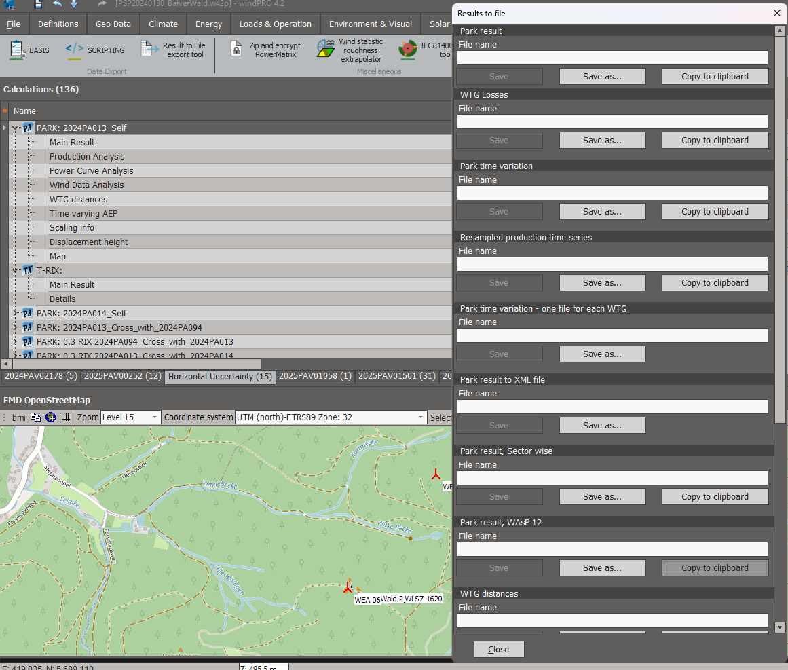
Label Omnidirectional rix Roughness speed (0) Roughness speed (1) Roughness speed (2) Roughness speed (3) Roughness speed (4) Roughness speed (5) Roughness speed (6) Roughness speed (7) Roughness speed (8) Roughness speed (9) Roughness speed (10) Roughness speed (11) Orographic speed (0) Orographic speed (1) Orographic speed (2) Orographic speed (3) Orographic speed (4) Orographic speed (5) Orographic speed (6) Orographic speed (7) Orographic speed (8) Orographic speed (9) Orographic speed (10) Orographic speed (11) Obstacle speed (0) Obstacle speed (1) Obstacle speed (2) Obstacle speed (3) Obstacle speed (4) Obstacle speed (5) Obstacle speed (6) Obstacle speed (7) Obstacle speed (8) Obstacle speed (9) Obstacle speed (10) Obstacle speed (11) MesoscaleRoughness (0) MesoscaleRoughness (1) MesoscaleRoughness (2) MesoscaleRoughness (3) MesoscaleRoughness (4) MesoscaleRoughness (5) MesoscaleRoughness (6) MesoscaleRoughness (7) MesoscaleRoughness (8) MesoscaleRoughness (9) MesoscaleRoughness (10) MesoscaleRoughness (11) Turn (0) Turn (1) Turn (2) Turn (3) Turn (4) Turn (5) Turn (6) Turn (7) Turn (8) Turn (9) Turn (10) Turn (11) Rix (0) Rix (1) Rix (2) Rix (3) Rix (4) Rix (5) Rix (6) Rix (7) Rix (8) Rix (9) Rix (10) Rix (11)

1 0.0682 0.9942 1.0013 1.0024 1.0020 1.0011 1.0064 1.0072 0.9963 1.0017 0.9955 0.9880 0.9891 1.2420 1.2320 1.1573 1.0876 1.0986 1.1719 1.2373 1.2312 1.1570 1.0895 1.1017 1.1797 1.0000 1.0000 1.0000 1.0000 1.0000 1.0000 1.0000 1.0000 1.0000 1.0000 1.0000 1.0000 0.2083 0.2150 0.2237 0.2170 0.2216 0.1647 0.1792 0.2892 0.2769 0.2910 0.3034 0.2345 1.4814 -2.3546 -4.0938 -1.7290 2.6183 4.0603 1.5258 -2.3563 -4.0986 -1.6657 2.6547 4.0166 0.0655 0.1365 0.0918 0.0451 0.0584 0.0595 0.1061 0.0589 0.0317 0.0727 0.0575 0.0350

Weibull data
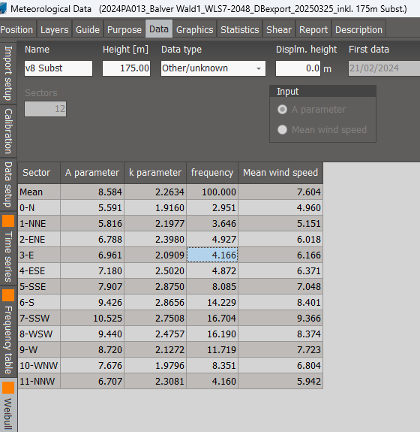
Sector A parameter k parameter frequency Mean wind speed
Mean 8.584 2.2634 100.000 7.604
0-N 5.591 1.9160 2.951 4.960
1-NNE 5.816 2.1977 3.646 5.151
2-ENE 6.788 2.3980 4.927 6.018
3-E 6.961 2.0909 4.166 6.166
4-ESE 7.180 2.5020 4.872 6.371
5-SSE 7.907 2.8750 8.085 7.048
6-S 9.426 2.8656 14.229 8.401
7-SSW 10.525 2.7508 16.704 9.366
8-WSW 9.440 2.4757 16.190 8.374
9-W 8.720 2.1272 11.719 7.723
10-WNW 7.676 1.9796 8.351 6.804
11-NNW 6.707 2.3081 4.160 5.942

